EX1
# | F Name | L Name | Salary in USD | Exchange rate | Salary in LE | Rounding | Salary Order | Salary > 20000 | Full Name | No Of Letters | First Letter | Last Letter | Emp_ID | Emp_Name
1 | Ahmed | Yassin | 671.50 | 31 | 20,816.39 | 20,816.40 | 4 | YES | Ahmed Yassin | 11 | A | n | 1006 | Mazen Sameh
2 | Mohamed | ismail | 830.00 | 40 | 25,730.00 | 25,730.00 | 6 | YES | Mohamed ismail | 13 | M | l | 1008 | eamy hassan
3 | Kamal | Hussien | 886.21 | 41 | 27,472.40 | 27,472.40 | 7 | YES | Kamal Hussien | 12 | K | n | 1013 | maha ahmed
4 | Ali | Ismail | 950.29 | 42 | 29,458.91 | 29,458.90 | 9 | YES | Ali Ismail | 9 | A | l | 1002 | mohamed ismail
5 | Eyad | Ahmed | 558.93 | 30.89 | 17,326.94 | 17,326.90 | 2 | NO | Eyad Ahmed | 9 | E | d | 1011 | ahmed fawzy
6 | Mazen | sameh | 500.00 | 49 | 15,500.00 | 15,500.00 | 1 | NO | Mazen sameh | 10 | M | h | 1003 | kamal Hussien
7 | Nermeen | Ali | 825.71 | 47 | 25,596.91 | 25,596.90 | 5 | YES | Nermeen Ali | 10 | N | i | 1005 | eyad ahmed
8 | Ramy | Hassan | 931.86 | 30.89 | 28,887.52 | 28,887.50 | 8 | YES | Ramy Hassan | 10 | R | n | 1010 | yamen mohamed
9 | Hassan | Sayed | 567.53 | 30.89 | 17,593.36 | 17,593.40 | 3 | NO | Hassan Sayed | 11 | H | d | 1006 | Mazen Sameh
10 | Yamen | Mohamed | 957.68 | 30.89 | 29,688.22 | 29,688.20 | 10 | YES | Yamen Mohamed | 12 | Y | d | 1004 | ali ismail

* Use Fixed Exhange Rate 31
* use appropriate function to find (high salary/low salary), so that if the
salary higher than 20000
* By using conditional Formatimg Find the following
Maximum Salary Amount
Minimum Salary Amount
 |  | Total Salaries |  | 238,070.64
 |  | AVG |  | 23,807.06
 |  | MAX |  | 29,688.22 |  |  |  |  |  |  |  |  | Emp_ID | Name
 |  | MIN |  | 15,500.00 |  |  |  |  |  |  |  |  | 1001 | ahmed yssin
 |  | No of Salaries |  | 10.00 |  |  |  |  |  |  |  |  | 1002 | mohamed ismail
 |  | No of Names |  | 10.00 |  |  |  |  |  |  |  |  | 1003 | kamal Hussien
 |  | No empty Cells |  | 0.00 |  |  |  |  |  |  |  |  | 1004 | ali ismail
 |  | Second High Salary In LE |  | 29,458.91 |  |  |  |  |  |  |  |  | 1005 | eyad ahmed
 |  | Second Low Salary In LE |  | 17,326.94 |  |  |  |  |  |  |  |  | 1006 | Mazen Sameh
 |  | Total High Salaries |  | 166,833.96 |  |  |  |  |  |  |  |  | 1007 | Nermeen ali
 |  | No of High Salaries |  | 6.00 |  |  |  |  |  |  |  |  | 1008 | eamy hassan
 |  |  |  |  |  |  |  |  |  |  |  |  | 1009 | hassan sayed
 |  |  |  |  |  |  |  |  |  |  |  |  | 1010 | yamen mohamed
 |  | 31 |  |  |  |  |  |  |  |  |  |  | 1011 | ahmed fawzy
 |  |  |  |  |  |  |  |  |  |  |  |  | 1012 | tamer talat
 |  |  |  |  |  |  |  |  |  |  |  |  | 1013 | maha ahmed
 |  |  |  |  |  |  |  |  |  |  |  |  | 1014 | larin ahmed

pivot_Dashboard
Sales_Dashboard

Total Profit For category
 | Total
Furniture | 785.9786
Office Supplies | 20178.5828
Technology | 22243.5857
Profite By Category &SubCategory
 | Consumer | Corporate | Home Office
Bookcases | 23 | 7 | 10
Chairs | 62 | 33 | 14
Furnishings | 100 | 59 | 33
Tables | 40 | 19 | 14
Appliances | 44 | 28 | 11
Art | 96 | 45 | 30
Binders | 157 | 90 | 48
Envelopes | 34 | 13 | 6
Fasteners | 26 | 14 | 8
Labels | 36 | 24 | 22
Paper | 132 | 81 | 49
Storage | 102 | 57 | 26
Supplies | 19 | 8 | 5
Accessories | 90 | 38 | 28
Copiers | 7 | 3 | 1
Machines | 6 | 13 | 4
Phones | 96 | 54 | 34

Avrage total
 | Total
Central | 6.3312509514
East | 17.559164355
South | 31.762989726
West | 32.657964984
 | Consumer | Corporate | Home Office
Central | -2428.0607 | 2284.9303 | 3137.8121
East | 5313.7343 | 982.2768 | 4590.6708
South | 7310.0602 | 485.8907 | 1478.8421
West | 11863.3562 | 5993.9413 | 2194.693

Dashboard Sample
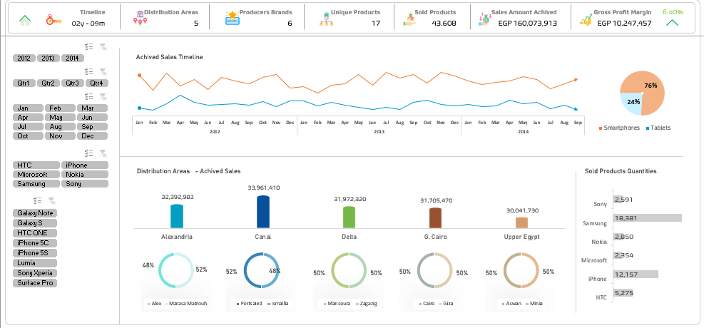

Dashboard Sample (2)
